Sheet1
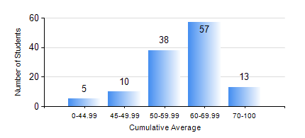
 |  |  | KWAME NKRUMAH UNIVERSITY OF SCIENCE AND TECHNOLOGY, KUMASI Department of Geomatic Engineering

 |  |  | BSC. GEOMATIC ENG.

 |  |  | COMPREHENSIVE RECORD OF EXAMINATION RESULTS

 |  |  | RESULTS OF YEAR 1 SECOND SEMESTER, 2021/2022 ACADEMIC YEAR

 | Sn | Course Code |  | Course Name | Credit Hours | Min. Mark | Max. Mark | Avg. Mark | Std. Dev. | No. Passed | No. Trailed | No. (Df) | No. (I) | No. (I*) | No. Tagged(I,I*,Df) | Total
 | 1. | EE 152 |  | BASIC ELECTRONICS | 2 | 18 | 79 | 53 | 10.22 | 121 | 2 | 0 | 0 | 0 | 0 | 123
 | 2. | ENGL 158 |  | COMMUNICATION SKILLS II | 2 | 20 | 79 | 56 | 9.61 | 121 | 2 | 0 | 0 | 0 | 0 | 123
 | 3. | GE 152 |  | REPRODUCTION CARTOGRAPHY | 3 | 24 | 79 | 54 | 8.69 | 122 | 1 | 0 | 0 | 0 | 0 | 123
 | 4. | GE 158 |  | INTRODUCTION TO INFORMATION TECHNOLOGY | 3 | 19 | 78 | 64 | 8.38 | 122 | 1 | 0 | 0 | 0 | 0 | 123
 | 5. | GE 162 |  | BASIC SURVEY PRINCIPLES II | 3 | 12 | 89 | 68 | 11.21 | 122 | 1 | 0 | 0 | 0 | 0 | 123
 | 6. | GE 192 |  | PRACTICAL TASK I | 3 | 0 | 78 | 64 | 9.93 | 118 | 1 | 4 | 0 | 0 | 4 | 123
 | 7. | MATH 152 |  | CALCULUS OF SINGLE VARIABLE | 4 | 28 | 83 | 65 | 9.36 | 122 | 1 | 0 | 0 | 0 | 0 | 123

